Area and production Maps
Cut flowers exported value
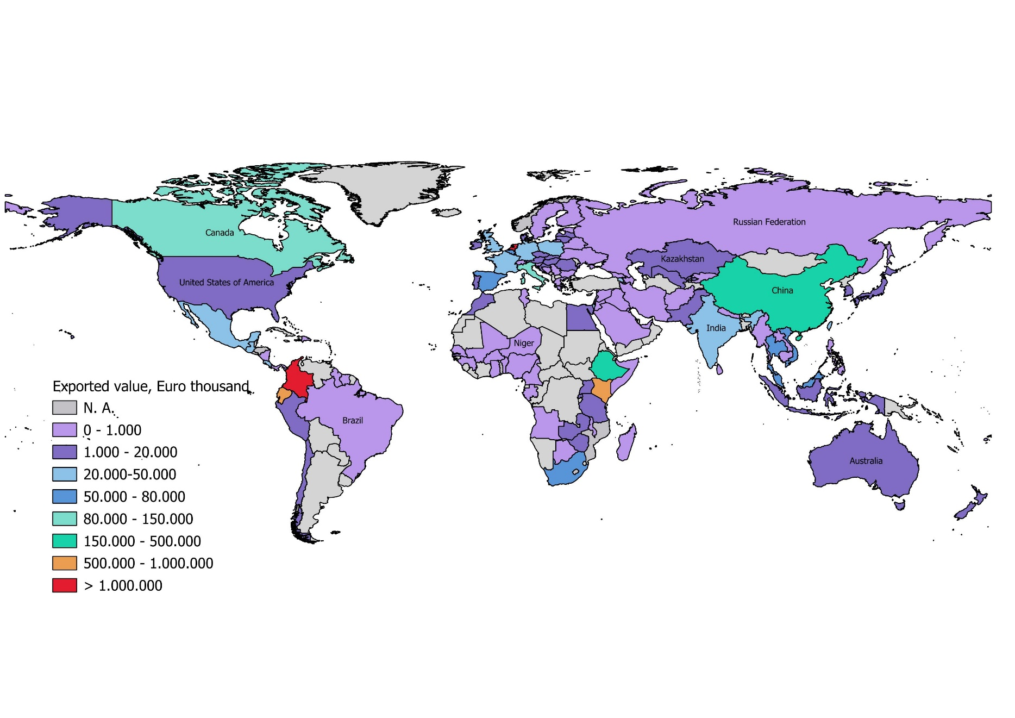

Cut flowers imported value
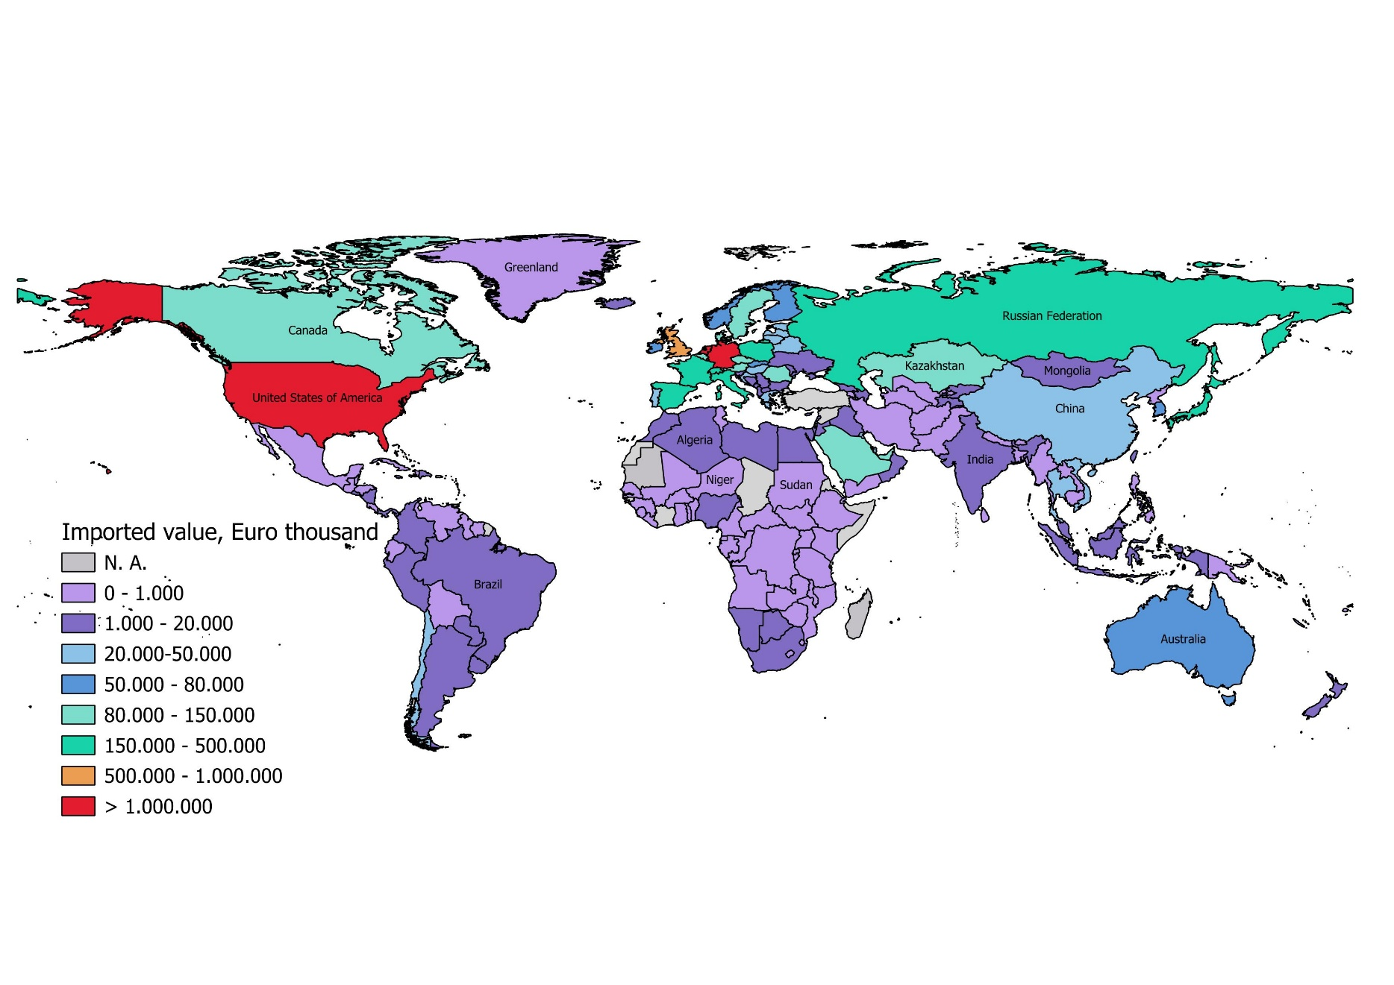

Cut flowers production area
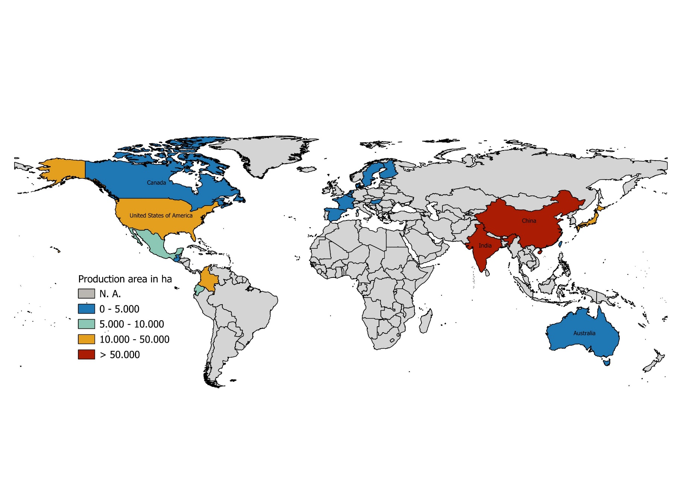

Canada_26-31
CANADA

Economic indicators 2024

Population: | 41.3 | millions
Surface area: | 15634 | km²
Population density: | 4 | people per km²

Gross national income1: | 2202 | in billion $
- per capita: | 53340 | in $
Purchasing power parity: | 2662 | in billion $
(Gross national income)
- per capita: | 64470 | per capita in $

Gross domestic product: | 1.5 | % growth
Gross domestic product: | -1.4 | per capita % growth

1 Atlas method
Source: Worldbank, 2025, World Development Indicators

Flowers and plants
Area in hectares
 |  | 2024 | 2023 | 2022 | 2021 | 2020 | 2019 | 2018 | 2017 | 2016 | 2015
Flowers and plants, greenhouse area 1 |  | 755 | 744 | 682 | 670 | 709 | 706 | 712 | 735 | 760 | 800
Glass greenhouses |  | 222 | 223 | 200 | 189 | 199 | 200 | 195 | 218 | 232 | 237
Rigid plastic 2 |  | 52 | 50 | 42 | 39 | 38 | 36 | 38 | 31 | 25 | 32
Poly -film |  | 481 | 471 | 440 | 442 | 471 | 470 | 479 | 486 | 503 | 530
Cut flowers, field grown |  | 460 | 454 | 458 | 449 | 410 | 329 | 303 | 291 | 211 | .
Nursery area, total |  | 15210 | 15 334 | 15630 | 15740 | 16041 | 16886 | 17202 | 17691 | 18369 | 19505
Open field |  | 13 279 | 13 405 | 13703 | 13833 | 14003 | 14719 | 14939 | 15281 | 15694 | 16267
Container |  | 1 931 | 1 929 | 1926 | 1908 | 2037 | 2167 | 2263 | 2410 | 2676 | 3238
1 Excludes mixed operations (vegetables, flowers and plants)
2 Includes all other type of enclosed protection (rigid insulation, mine shafts, shelters)
Source: Statistics Canada Table 32-10-00-19-01 Estimates of specialized greenhouse operations, greenhouse area and months of operation, 2025
Source: Statistics Canada Table 32-10-0029-01 Estimates of nursery area, 2025
Source: Statistics Canada Table: 32-10-0452-01 Estimates of field-grown cut flowers area, production and sales, 2025

Number of enterprises or operations

 |  | 2024 | 2023 | 2022 | 2021 | 2020 | 2019 | 2018 | 2017 | 2016 | 2015
Nurseries |  | 1794 | 1788 | 1778 | 1840 | 1993 | 2127 | 2209 | 2275 | 2242 | 2353
Greenhouse operations, flowers and plants |  | 1544 | 1547 | 1646 | 1620 | 1615 | 1620 | 1646 | 1703 | 1811 | 1872
Operations with field grown cut flowers |  | 214 | 203 | 194 | 199 | 185 | 172 | 197 | 178 | 121 | .
Source: Statistics Canada Table 32-10-00-19-01 Estimates of specialized greenhouse operations, greenhouse area and months of operation, 2025
Source: Statistics Canada Table 32-10-0029-01 Estimates of nursery area, 2025
Source: Statistics Canada Table: 32-10-0452-01 Estimates of field-grown cut flowers area, production and sales, 2025

Results of the Census of Agriculture
Area in hectares
 | 2023 2 | 2022 2 | 2016 1 | 2011
Floriculture | 1198 | 1140 | 793 | 859
Nursery 1 | 15334 | 15630 | 19859 | 24146
Christmas trees | . | . | 23787 | 28315
1 In 2016 without operations producing tree seedlings for reforestation
2 Source: Statistical Overview of the Canadian Ornamental Industry 2023, August 2024

Number of farms 1
 | 2023 2 | 2022 2 | 2016 1 | 2011
Floriculture | 1724 | 1739 | 2403 | 3016
Nursery 2 | 1766 | 1778 | 2780 | 3438
Christmas trees | . | . | 1872 | 2381
1 Includes all farms producing floricultural products, nursery plants or christmas trees, in 2016 without operations producing tree seedlings for reforestation
Source: Statistical overview Canadian Ornamental Industry- 2016, Agriculture and Agri-Food Canada, 2018
2 Source: Statistical Overview of the Canadian Ornamental Industry 2023, August 2024

Cut flowers and cuttings
In 1 000 stems
 | 2024 | 2023 | 2022 | 2021 | 2020 | 2019 | 2018 | 2017 | 2016 | 2015 | 2014
Cut flowers | 417990 | 323 711 | 317592 | 304147 | 271842 | 285703 | 296285 | 291342 | 306315 | 314373 | 317576
Tulips | 212343 | 138 479 | 134586 | 125854 | 102997 | 120896 | 124903 | 119132 | 111177 | 120021 | 117095
Gerbera | 84975 | 76 329 | 74090 | 74698 | 73195 | 69183 | 80295 | 81079 | 87778 | 75229 | 74284
Antirrhinum (Snapdragon) | 31609 | 27 913 | 26625 | 25298 | 21816 | 22360 | 20725 | 18864 | 23772 | 12146 | 13835
Chrysanthemums | 25513 | 24 366 | 21887 | 21879 | 23278 | 20654 | 21769 | 23142 | 25378 | 33562 | 32470
Lilies | 12928 | 13 004 | 15017 | 13454 | 12080 | 11525 | 12113 | 9999 | 11557 | 9721 | 9191
Lisianthus | 13909 | 13 725 | 14340 | 11042 | 8071 | 6208 | 4016 | 5440 | 5793 | 5498 | 2455
Alstroemeria | 4959 | 3 331 | 3438 | 3683 | 3711 | 3365 | 5754 | 7491 | 8964 | 12250 | 10732
Roses | 3553 | 2 860 | 2836 | 3078 | 3071 | 3831 | 3557 | 4417 | . | 5388 | 5944
Iris | 94 | 248 | 198 | 280 | 214 | 1649 | 2033 | 1834 | . | 3198 | 4598
Freesias | . | 2 090 | 2257 | 2511 | 2857 | 3732 | 4745 | 5979 | 5821 | 4576 | 4492
Narcissus | . | . | 1571 | 1456 | 1231 | 1386 | 2759 | 2623 | 3745 | 4061 | 6618
Other cut flowers | 28107 | 20545 | 20747 | 20914 | 17398 | 20612 | 13618 | 11341 | 16484 | 28657 | 35289
Source: Statistics Canada, Table 32-10-0021-01 Production of potted plants, cut flowers, cuttings, by variety and tree seedlings, 2025

Nursery stock
In 1 000 pieces, field and container grown
 | 2024 | 2023 | 2022 | 2021 | 2020 | 2019 | 2018 | 2017 | 2016 | 2015 | 2014
Small fruit bushes | 33382 | 33382 | 33551 | 34187 | 34210 | 47438 | 53118 | 53809 | 53440 | 60285 | .
Perennials and annuals | 16603 | 16603 | 17034 | 21674 | 19681 | 17035 | 19115 | 19677 | 22566 | 26018 | 15 619
Deciduous shrubs (including roses) | 11100 | 11100 | 13623 | 11631 | 10573 | 10256 | 10767 | 11599 | 9813 | 11455 | 11143
Conifer trees | 6269 | 6402 | 7716 | 6031 | 5106 | 4275 | 3031 | 4590 | 3599 | 3063 | 2 461
Evergreen and conifer shrubs | 6056 | 6056 | 5074 | 5168 | 6283 | 5641 | 6552 | 5311 | 3758 | 3468 | 4588
Evergreen and broadleaf shrubs | 3323 | 3323 | 3654 | 3335 | 3929 | 3607 | 3165 | 3869 | 4078 | 3783 | 4229
Fruit trees | 1773 | 1986 | 2258 | 2637 | 1606 | 1454 | 1488 | 1814 | 1719 | 1081 | 1336
Shade and ornamental trees | 2649 | 2649 | 3223 | 2433 | 2802 | 2781 | 2410 | 2761 | 2821 | 4202 | 3937
Source: Statistics Canada, Table 32-10-0031-01 Nursery tree and plant production, 2025
...
Flowers and plants, potted
Other outdoor potted plants | 52146 | 51125 | 49779 | 49570 | 53681 | 46107 | 45407 | 44872 | 48503 | 54736 | 46305
Herbaceous flowering perennials | 11176 | 13614 | 15573 | 13282 | 12804 | 11806 | 9529 | 7960 | 8130 | 11692 | 10979
Others | 8671 | 8413 | 4673 | 4665 | 4133 | 5988 | 4156 | 4577 | 4118 | 410 | 217
Total potted plants, in- and outdoor | 250610 | 251468 | 252983 | 241423 | 219658 | 210675 | 213187 | 209260 | 216382 | 217159 | 191855
Cuttings, pot plants | 92372 | 92750 | 96145 | 96856 | 91573 | 94202 | 84614 | 87910 | 89744 | 98342 | 97223
Source: Statistics Canada, Table 32-10-0021-01 Production of potted plants, cut flowers, cuttings, by variety and tree seedlings, 2025

Canada: Sales of greenhouse flowers, plants and nursery stock 2024
Farm gate value (before sales tax)
 |  |  |  |  |  |  |  |  |  | Flowers and plants | 1000
 |  |  |  |  |  |  |  |  |  |  | in Can Dollar
 |  |  |  |  |  |  |  |  |  | Cuttings | 65
 |  |  |  |  |  |  |  |  |  | Cut flowers | 231
 |  |  |  |  |  |  |  |  |  | Ornamental bedding plants | 221
 |  |  |  |  |  |  |  |  |  | Nursery stock | 796
 |  |  |  |  |  |  |  |  |  | Potted plants | 1240
 |  |  |  |  |  |  |  |  |  | farm gate value (before sales tax)

Sales of greenhouse flowers, plants and nursery stock 2015 -2024
Value in million CAD, Farm gate value (before sales tax)
 | 2024 | 2023 | 2022 | 2021 | 2020 | 2019 | 2018 | 2017 | 2016 | 2015
Potted plants | 1240 | 1172 | 1146 | 1030 | 904 | 853 | 834 | 790 | 812 | 786
Nursery stock | 796 | 750 | 730 | 747 | 717 | 680 | 661 | 660 | 670 | 760
Ornamental bedding plants | 221 | 217 | 214 | 227 | 230 | 208 | 205 | 204 | 192 | 180
Cut flowers | 231 | 192 | 178 | 161 | 138 | 134 | 133 | 127 | 140 | 147
Cuttings | 65 | 63 | 62 | 57 | 52 | 51 | 44 | 45 | 44 | 50
Source: Statistics Canada, Table 32-10-0246-01 Production and sale of greenhouse flowers, and plants, 2025
Source: Statistics Canada Table 32-10-0032-01 Nursery stock sales and resales, 2025
 |  | 1538 | 1418

 | 2024 | 2023 | 2022 | 2021 | 2020
Direct sales to the public | 84,842,013 | 80,964,728 | 79,126,227 | 103,993,581 | 102,427,293
Fruit growers | 40,061,202 | 28,361,858 | 33,642,069 | 32,760,509 | 29,092,918
Landscape contractors | 207,331,646 | 205,424,433 | 197,092,348 | 187,978,547 | 176,768,616
Garden centres | 133,975,039 | 133,543,433 | 142,222,018 | 130,782,315 | 127,489,439
Mass market chain stores | 111,973,939 | 113,940,228 | 110,041,001 | 119,668,772 | 118,332,884
Other growers | 69,520,022 | 67,908,280 | 69,295,499 | 67,404,872 | 65,322,752
Exported | 53,693,800 | 44,949,086 | 36,794,078 | 40,768,571 | 36,934,566
Government and public agencies | 29,175,370 | 26,697,618 | 26,754,625 | 27,150,678 | 25,289,999
Other channels | 65,546,585 | 47,787,163 | 39,814,640 | 36,949,636 | 35,266,765

Total sales | 796,119,615 | 749,576,837 | 734,782,505 | 747,457,481 | 716,925,232

Increase from 2020 | 1.0620920708 | 1.0201343008 | 0.9830425458 | 1.0425877729
 | 6 | -2 | #REF!

 |  |  |  |  |  |  | Source: Statistics Canada, Table 32-10-033-01 Channels of distribution of nursery product sales and resales, 2025

Distribution of production area in 2024
Production of nursery stock
Total: 15 334 ha

Nursery stock | Production area
 | In ha | In %
Total | 15334 | 100
...

Colombia_34-37
...
Roses | 3230 | 3230 | 3099 | 2569 | 2610 | 2348 | 2624
Eucalyptus | 183 | 183 | . | . | 46 | 49 | 66
Gerbera | 3 | 3 | . | 48 | 46 | . | .
Leucadendron | . | . | . | . | . | 32 | 63
Others | . | . | . | 799 | 705 | 755 | 822
Total | 10500 | 10 500 | 10000 | 7665 | 7532 | 6796 | 7161
Source: Asocolflores, Carolina Pantoja, ICA 2025

 |  |  |  |  |  |  | Area
 |  |  |  |  |  | total | 10500
 |  |  |  |  |  | Roses | 3230
 |  |  |  |  |  | Hydrangea | 1734
 |  |  |  |  |  | Chrysanthemums | 1206
 |  |  |  |  |  | Carnations | 1487
 |  |  |  |  |  | Alstromeria | 326
 |  |  |  |  |  | Others | 2517

Distribution of production area in 2024

heading:
Production of cut flowers and cut foliage
Total: 14500 ha (2024)

Flowers and plants | Production area
...
Imports
Live plants (including their roots) (HS-Code 0602) | 12751 | 13260 | 14410 | 12943 | 10602 | 10314 | 11603 | 12327 | 10612 | 10165 | 8317
Foliage, branches and other parts of plants (HS-Code 0604) | 283 | 387 | 1684 | 1325 | 268 | 121 | 230 | 77 | 116 | 661 | 466
Total | 63128 | 65345 | 64936 | 51668 | 33481 | 30648 | 31164 | 31204 | 28390 | 24830 | 21496
Source: ITC Trade map, 2025

 | Value in 1 000 EUR |  | Quantity in tons
2024 | 2204729 | 2020 | 333980
2023 | 1955812 | 2019 | 311496
2022 | 1989917 | 2018 | 320919
2021 | 1484453 | 2017 | 299739
2020 | 1254054 | 2016 | 250407
2019 | 1335990 | 2015 | 261290
2018 | 1251403 | 2014 | 259862
2017 | 1254429 | 2013 | 248403
2016 | 1200417 | 2012 | 236786
2015 | 1179439 | 2011 | 223949
 |  | 2009
 |  |  |  |  |  |  |  |  | Value in 1 000 EUR
 |  |  |  |  |  |  |  |  | Quantity in tons

 | Source: ITC Trade map, 2025

Exports
Cut flowers, fresh, value in 1 000 EUR
Partner country | 2024 | 2023 | 2022 | 2021 | 2020 | 2019 | 2018 | 2017 | 2016 | 2015 | 2014
USA | 1731656 | 1533951 | 1568856 | 1137503 | 988128 | 1031053 | 967870 | 970025 | 928046 | 898909 | 783544
Canada | 68468 | 59692 | 62585 | 48869 | 32980 | 33195 | 33739 | 34347 | 35293 | 36306 | 27892
Netherlands | 56274 | 50601 | 49197 | 47784 | 31769 | 34035 | 29387 | 25189 | 23766 | 24330 | 22465
Japan | 43578 | 44564 | 51763 | 43669 | 42528 | 46896 | 45191 | 49223 | 43911 | 43886 | 40245
...

Ecuador_43-46
...
2016 | 2015 | 2014
6609 | 6161 | 5395 | Bajo invernadero |  | 2022 | 2023 | 2024
5486 | 5163 | 4639 | Rosa | Other flowers | 1693 | 1520 | 1527
123 | 110 | 141 | Clavel | Delphinium | 75 | 857 | 14
8 | 6 | . | Delphinium | Aster | 69 | 64 | 6
52 | 59 | 42 | Crisantemos | Gypsophila | 234 | 162 | 113
6 | 28 | . | Aster | Hypericum | 72 | 859 | 56
69 | 84 | 61 | Gypsophila | Roses | 5711 | 6002 | 5480
1 | 8 | 12 | Limonium | Total | 7854 | 9464 | 7196
27 | 5 | 7 | Girasoles
. | 14 | 7 | Hypericum
475 | 263 | 267 | otras flores transitorias
352 | 419 | 209 | otras flores permanentes

1845 | 1563 | 1334 | Campo abierto
368 | 545 | 540 | Gypsophila
52 | 25 | 42 | Girasoles
130 | 340 | 118 | Hypericum
44 | 37 | 3 | Delphinium
. | 9 | . | Lyatris
11 | 233 | 10 | Rosa
23 | . | 47 | Aster
. | 8 | 10 | Ginger
4 | 3 | . | Limonium
. | 13 | 20 | Heliconias
. | . | . | Crisantemos
. | . | . | Clavel
1118 | 234 | 319 | otras flores transitorias
79 | 96 | 133 | otras flores permanentes
8454 | 7724 | 6729 | totales
...
2016 | 2015
4561 | 4503
3800 | 3771
190 | 142
79 | 99
11 | 35
2 | 11
0 | 12
0 | 7
...

France_45-49
...
Flowers and plants 2023
 | 2023 | 2021 | 2019 | 2017 | 2015 | 2013 | 2011
Number of enterprises | 2741 | 2760 | 2936 | 3308 | 3678 | 4154 | 4504
Sales volume
Production and retail market | 1760 | 1617 | 1419 | 1417 | 1436 | 1585 | 1644
Production only | 1462 | 1377 | 1178 | 1238 | 1255 | 1319 | 1452
Source: FranceAgriMer 2025, Observatoire des données structurelles des entreprises de l’horticulture et de la pépinière ornementales, Données 2023

 |  |  |  |  | France: Value of sales by plant category 2023
 | 2023
Young plants (bedding plants) | 14
Bulbs | 18
Young plants (Pot, bedding plants) | 25
Young plants (Nursery stock) | 69
Perennials | 106
Cut flowers | 137
Others | 130
Bedding plants | 180
Pot plants | 282
Nursery stock | 527

 | 2019 | 2021 | 2023
Young plants (bedding plants) |  |  | 14
Bulbs | 21 | 17 | 18
Young plants (Pot, bedding plants) | 28 | 31 | 25
Young plants (Nursery stock) | 68 | 69 | 69
Perennials | 93 | 94 | 106
Cut flowers | 85 | 100 | 137
Total sales in 2023:
1 488 million EUR
Others | 118 | 119 | 130
Bedding plants | 236 | 222 | 180
Pot plants | 279 | 315 | 282
Nursery stock | 491 | 585 | 527

Value of sales by plant category
In million EUR
 | 2023 | 2021 | 2019 | 2017 | 2015 | 2013 | 2011
Pot plants | 282 | 315 | 279 | 290 | 294 | 333 | 373
Bedding plants | 180 | 222 | 236 | 239 | 254 | 283 | 284
Young plants (pot plants) | 25 | 14 | 17 | 21 | 22 | 17 | 20
Young plants (bedding plants) | 14 | 17 | 11 | 14 | 14 | 17 | 24
...

Germany_50-56
...
 | 2024 |  | 2023 |  | 2022 |  | 2021 |  | 2020 |  | 2019 |  | 2018 |  | 2017
Trees and shrubs | 1.3 | 15 | 1.4 | 16 | 1.4 | 16 | 1.6 | 16 | 1.5 | 16 | 1.5 | 16 | 1.4 | 16 | 1.4 | 16
Bulbs | 0.2 | 3 | 0.2 | 3 | 0.3 | 3 | 0.3 | 3 | 0.3 | 3 | 0.2 | 3 | 0.3 | 3 | 0.3 | 3
Total | 8.7 |  | 8.7 |  | 8.9 |  | 10.2 |  | 9.4 |  | 9.0 |  | 8.7 |  | 8.6
Source: AMI GmbH, Germany, 2025

 |  |  |  |  | Germany: Market value of flowers and ornamental plants 2023
 |  |  |  |  | Retail prices in billion EUR

 | 2021 | 2023 | 2024
Cut flowers | 3.6 | 3.1 | 3
Flowering indoor plants | 1.1 | 1 | 1
Green indoor plants | 0.6 | 0.5 | 0.5
Bedding plants | 2.1 | 1.7 | 1.7
Perennials | 0.7 | 0.5 | 0.7
Herbs in pots | 0.3 | 0.3 | 0.3
Trees and shrubs | 1.6 | 1.4 | 1.3
Bulbs | 0.3 | 0.3 | 0.2

Guatemala
...
Imports
Bulbs, tubers, corms, etc. (HS-Code 0601) | 4711 | 4285 | 2737 | 2123 | 1630 | 1799 | 1612 | 1308 | 810 | 923 | 845
Foliage, branches and other parts of plants (HS-Code 0604) | 335 | 297 | 373 | 260 | 230 | 303 | 218 | 211 | 155 | 162 | 142
Cut flowers and flower buds (HS-Code 0603) | 143 | 301 | 404 | 205 | 147 | 186 | 61 | 116 | 55 | 60 | 63
Total | 13570 | 11580 | 9141 | 7192 | 5722 | 5827 | 4781 | 4940 | 5599 | 4869 | 4515
Source: ITC Trade map, 2025

 | Value in 1 000 EUR |  | Quantity in tons
2024 | 32176 | 2021 | 23875
2023 | 30234 | 2020 | 23276
2022 | 29332 | 2019 | 20842
2021 | 22675 | 2018 | 18144
2020 | 15244 | 2017 | 7572
2019 | 18302 | 2016 | 9464
2018 | 17120 | 2015 | 6997
2017 | 16236 | 2014 | 5292
2016 | 15923 | 2013 | 5885
2015 | 12239 | 2012 | 3524
 |  |  |  |  |  |  |  |  | 2024 | 2023 | 2022 | 2021 | 2020
 |  |  |  |  |  |  |  | Value in 1 000 EUR | 32176 | 30234 | 29332 | 22675 | 15244
 |  |  |  |  |  |  |  | Quantity in tons | 23875 | 23276 | 20842 | 18144 | 7572

Source: ITC Trade map, 2025

Exports
Cut flowers, fresh, value in 1 000 EUR
Partner country | 2024 | 2023 | 2022 | 2021 | 2020 | 2019 | 2018 | 2017 | 2016 | 2015 | 2014
USA | 21733 | 20094 | 19417 | 16357 | 12659 | 13172 | 12365 | 11399 | 11730 | 10451 | 8400
El Salvador | 8034 | 8292 | 7928 | 5015 | 1818 | 3582 | 3605 | 3480 | 3241 | 1035 | 838
Honduras | 2039 | 1457 | 1375 | 879 | 334 | 851 | 498 | 602 | 289 | 148 | 124
...

Japan_67-71
...
Ornamental trees and shrubs
Azalea | 4329 | 3937 | 4575 | 5432 | 5689 | 5924 | 5885 | 6922 | 7000 | 7413
Satsuki azalea | 4135 | 3818 | 4571 | 6028 | 6198 | 6412 | 6561 | 6853 | 7289 | 7602
Camelia | 628 | 563 | 617 | 756 | 813 | 876 | 928 | 997 | 1177 | 1375
Hiba arborvitae | 3483 | 3385 | 3642 | 3945 | 4084 | 4116 | 4431 | 4943 | 5553 | 5368
Buxus | 1956 | 2167 | 1570 | 1828 | 1633 | 1699 | 1795 | 2162 | 2603 | 2260
Ground cover plants | 5207 | 4011 | 3406 | 23904 | 21208 | 24861 | 29328 | 29897 | 28548 | 30174
Source: "Statistics on Production and Shipment of Flowers" by the Statistics Department of MAFF in Statistics Department, Ministry of Agriculture, Forestry and Fisheries, Statistical Yearbook, Number 98, 2022/23
13 Marketing of Agricultural, Forestry and Fishery Products; Marketing Quantity and Price of Vegetables, Fruits and Flowers, table n644_645
1 Data revised

2015
Chrysanthemums | 69.2
Lilies | 21.7
Roses | 19
Carnations | 12.6
Eustoma | 11.7
Cut branches | 15.1
Other cut flowers | 68.9
Tropical orchids | 33.3
Cyclamen | 8.7
flowering trees and shrubs (pot grown) | 16.8
Foiliage plants (pot grown) | 11.3
Other potted plants | 25.8
Seedlings for flowers beds | 30.2
Flowering trees and shrubs | 22.6
Lawn grass | 7.3
Ground covering plants | 3.2
Flower bulbs | 2.7
2015
Chrysanthemums | 69.2
Lilies | 21.7
Roses | 19
Carnations | 12.6
Eustoma | 11.7
Cut branches | 15.1
Other cut flowers | 68.9
Tropical orchids | 33.3
Cyclamen | 8.7
flowering trees and shrubs (pot grown) | 16.8
Foiliage plants (pot grown) | 11.3
Other potted plants | 25.8
Seedlings for flowers beds | 30.2
Flowering trees and shrubs | 22.6
Lawn grass | 7.3
Ground covering plants | 3.2
Flower bulbs | 2.7

Output of flowers and plants (2015)
2015
Chrysanthemums | 69.2
Lilies | 21.7
Roses | 19
Carnations | 12.6
Eustoma | 11.7
Cut branches | 15.1
Other cut flowers | 68.9
Tropical orchids | 33.3
Cyclamen | 8.7
flowering trees and shrubs (pot grown) | 16.8 |  |  |  |  |  | 16.8
Foiliage plants (pot grown) | 11.3 |  |  |  |  |  | 22.6
Other potted plants | 25.8 |  |  |  |  |  | 3.2
Seedlings for flowers beds | 30.2 |  |  |  |  |  | 42.6
Flowering trees and shrubs | 22.6
Lawn grass | 7.3
Ground covering plants | 3.2
Flower bulbs | 2.7

 | 380.1 |  |  |  |  | Source: Current Status of Flowers and Plants in Japan, Ministry of Agriculture, Forestry and Fisheries

Potted plants (all) | 95.9
Cut flowers | 218.2

Imports
...

USA_94-104
...
Figure 1

 | Year | 2009 | 2010 | 2011 | 2012 | 2013 | 2014 | 2015 | 2016 | 2017 | 2018 | 2019 | 2020 | 2021
 | Value | 4.00 | 4.15 | 4.08 | 4.36 | 4.25 | 4.20 | 4.37 |  |  | 4.63 | 4.42 | 4.8 | 6.43

 | USA: Expanded wholesale value 2010 - 2023
 | (operations with 10 000 or more USD sales)

 | In billion USD
 | Value
2010 | 4.15
2011 | 4.08
2012 | 4.36
2013 | 4.25
2014 | 4.2
2015 | 4.37
2016
2017
2018 | 4.63
2019 | 4.42
2020 | 4.8
2021 | 6.43
2022 | 6.69
2023 | 6.69

 | Source: United States, Departement of Agriculture, Floriculture Crops 2023 Summary , May 2024
 | neuer Link

Figure 2 |  |  |  | in USD
 |  |  |  | 2023 | 2022 | 2021 | 2020 | 2019
 | Annual bedding/garden plants |  |  | 2476 | 2467 | 2379 | 1584 | 1407
 | Potted flowering plants |  |  | 1002 | 1113 | 1031 | 850 | 954
 | Foliage plants, indoor/patio use |  |  | 919 | 826 | 762 | 756 | 616
 | Herbaceous perennial plants |  |  | 1038 | 1093 | 1034 | 691 | 600
 | Propagative floriculture materials |  |  | 514 | 514 | 507 | 381 | 326
 | Cut flowers |  |  | 350 | 333 | 360 | 295 | 315
 | Cut cultivated greens |  |  | 98 | 101 | 105 | 89 | 89 |  | 2023 | 2022 | 2021 | 2020
 | Summe |  |  | 6397 | 6447 | 6179 | 4646 | 4307 | Change to previous year | -4 | 4 | 33 | 8
 |  |  |  |  | 2527 | 2604 | 2672 |  |  |  | -3 | -3
 | heading:

 | USA: Wholesale value of floricultural sales by plant category 2023
 | (operations with 100 000 or more USD sales )

 | Source: United States, Departement of Agriculture, Floriculture Crops 2023 Summary , May 2024

Figure 3

 |  |  |  |  | USA: Distribution of wholesale value of floriculture crops by state 2023
 |  |  |  |  | (operations with 100 000 or more USD sales )
 | Distribution |  |  |  | Wholesale value in 1 million USD
 | Floriculture crop value 1
 | In 1 million USD
 |  | Wholesale value of all plant categories 2 | in %
 | State
 | Califonia | 983 | 15
 | Florida | 1208 | 18
 | Michigan | 695 | 11
 | New Jersey | 308 | 5
 | Ohio | 233 | 4
 | Pennsylvania | 215 | 3
 | North Carolina | 168 | 3
 | Texas | 319 | 5
 | Other states | 2414 | 37
 | Total | 6543 | 100
 | 1 operations with 100 000 or more USD sales
 | 2 includes bedding garden plants, herbaceous perennial plants, potted flowering plants, foliage plants for indoor or patio use, cut flowers, Cut cultivated greens, propagative floriculture material.
 | Source: United States, Departement of Agriculture, Floriculture Crops 2023 Summary , May 2024

Line 127 Flowers, seeds and potted plants
Table 2.4.5 U. Personal Consumption Expenditures by Type of product (A) (Q) (M)
 |  |  | 1000
2011 | 2012 | 2013 | 2014 | 2015 | 2016 | 2017 | 2018 | 2019 | 2020 | 2021 | 2022 | 2023 | 2024
26635 | 27702 | 29025 | 30348 | 31637 | 32651 | 34091 | 35680 | 36812 | 41235 | 51993 | 59014 | 72899 | 71161
26.635 | 27.702 | 29.025 | 30.348 | 31.637 | 32.651 | 34.091 | 35.68 | 36.812 | 41.235 | 51.993 | 59.014 | 72.899 | 71.161

Figure 4

 |  | https://apps.bea.gov/iTable/?reqid=19&step=3&isuri=1&1921=underlying&1903=2017

